Sheet1
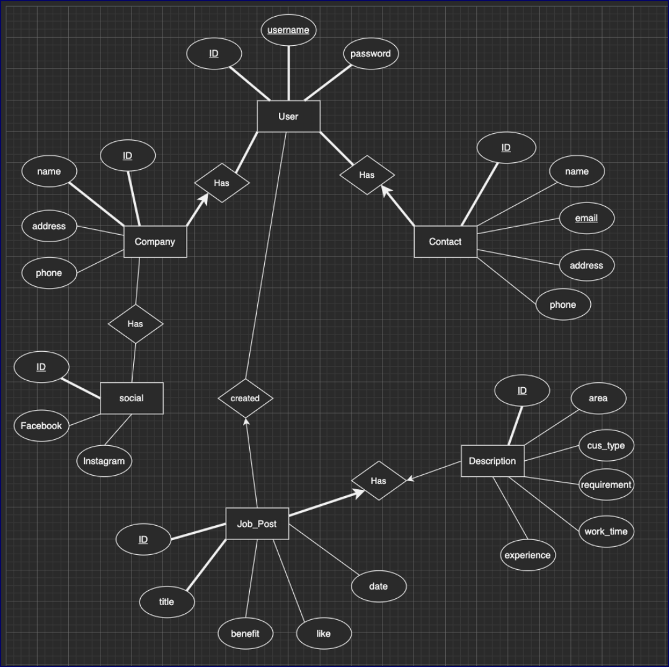

 | Contact | Social
 | ID - Contact | ID - Contact
 | ID - User | ID - Social
 | Name | Facebook
 | Email | Instagram
 | Address Phone
User | Phone
ID - User | Company
Username
Password
Created Date
User Type
 | Job Post | Job Post Description
 | ID - Job_Post | ID - Job_Post
 | ID - User | ID - Job Post Description
 | Title | Requirements
 | Date Created | Experience
 | Benefit | Work Time
 | Like | Cus Type
 |  | Area

User Type has two options:
Job Seeker
Employer

